Airplane List
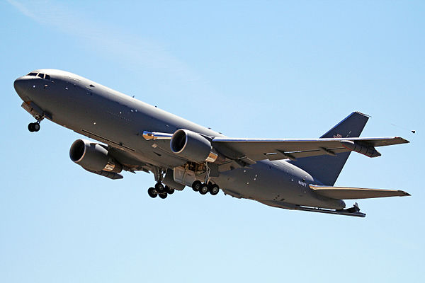
VH | VZ | LN | Tie in text display | Build Tie In
VH115 | VZ422 | LN1363 | LN1363 / VH115 / VZ422 - STALL 203
VH117 | VZ106 | LN1367 | LN1367 / VH117 / VZ106 - STALL 216
VH118 | VZ113 | LN1370 | LN1370 / VH118 / VZ113 - STALL 213
VH119 | VZ115 | LN1372 | LN1372 / VH119 / VZ115 - STALL 202
VH120 | VZ116 | LN1376 | LN1376 / VH120 / VZ116 - STALL 215
VH121 | VZ476 | LN1378 | LN1378 / VH121 / VZ476 - F1 FUEL DOCK

 |  |  |  |  | Use Select files to build from an archived version

 |  |  |  | HOW TO USE
 |  |  |  | 1) Check for the yellow security bar. If it is present enable macro's and trust doccument.
 |  |  |  | 2) Make sure all data is updated in POM. - This program only pulls data from POM.
 |  |  |  | 3) Make sure all airplanes you want displayed are filled in on the chart to the left
 |  |  |  | 3) If you add or remove an airplane from the list, click update airplane list
 |  |  |  | 4) Check the POM Data is current (Upper RH corner)
 |  |  |  | 5) Click the picture you want and wait

